Sheet1
Bug Report
Bug_ID | Bug_Description | Steps_To_Reporduce | Date_Raised | Who Raised | Priority | Severity | Status | Screenshot
BUG_001 | When User enter the invalid name and password, they successfully register | 1 Go to website. 2. Click on register button. 3. enter the input | 17/03/2025 | Vikas Sahani | P1 | High | Open | 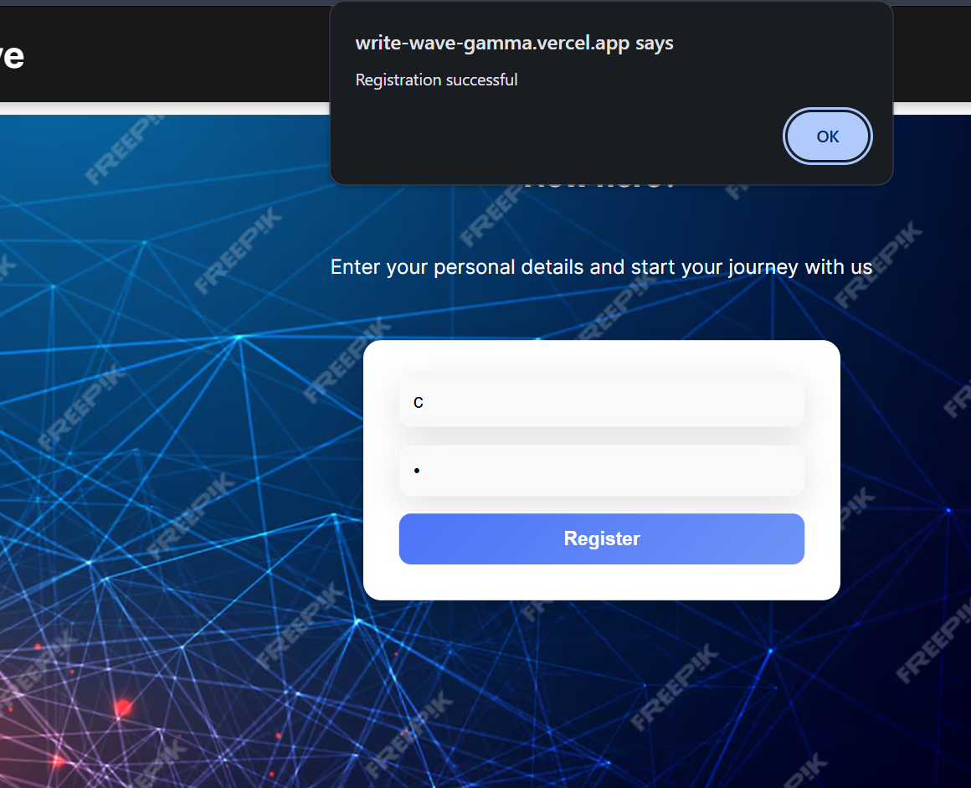
BUG_002 | When User enter the invalid name and password two times second time they enter capital letters, they successfully register | 1 Go to website. 2. Click on register button. 3. enter the input 4. enter username firstime "s" and password "s" 5. enter username second time "S" and password "s" | 17/03/2025 | Vikas Sahani | P1 | High | Open | 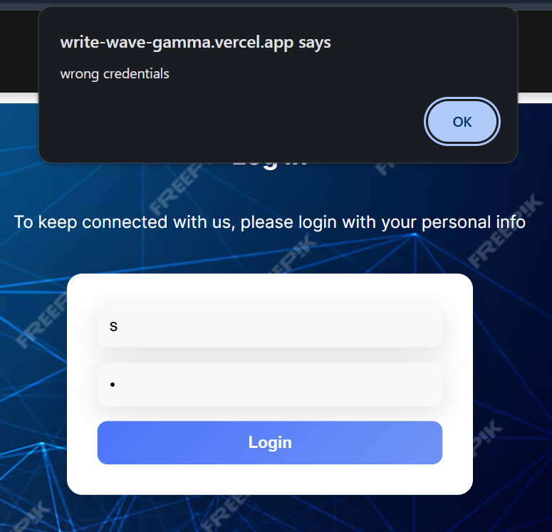 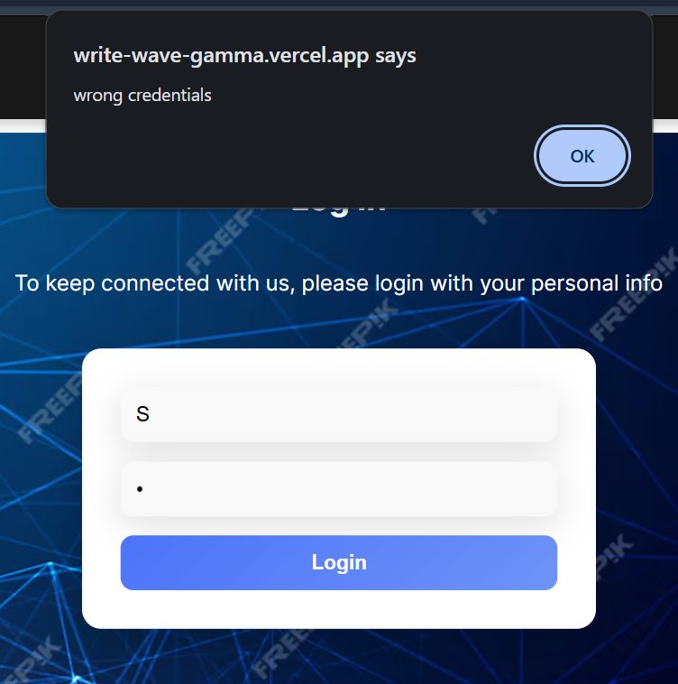
BUG_003 | User unabe to create Posts | 1 Go to website. 2. Login with valid credentials. 3. click on create posts 4.fill the form 5.click on button "Create Post" | 17/03/2025 | Vikas Sahani | P1 | High | Open
Bug_004 | User want to comment on the post but user unable to do | 1 Go to website. 2. Login with valid credentials. 3. click on create posts 4.click on any post 5.write your comment and click on "Post" Button | 17/03/2025 | Vikas Sahani | P1 | High | Open | 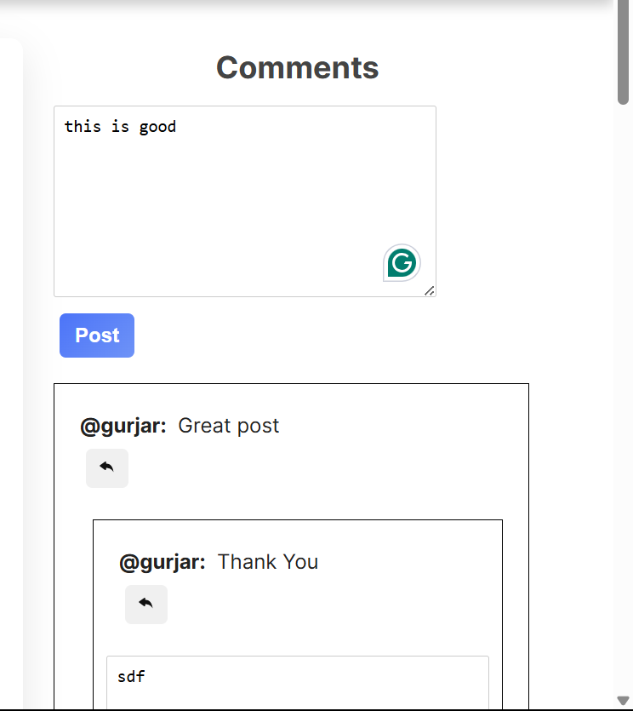
Bug_005 | Footer Links are not working properly | 1 Go to website. 2. Login with valid credentials. 3. go to the bottom of the website 4.click on any links | 17/03/2025 | Vikas Sahani | P1 | High | High | 

